floodport
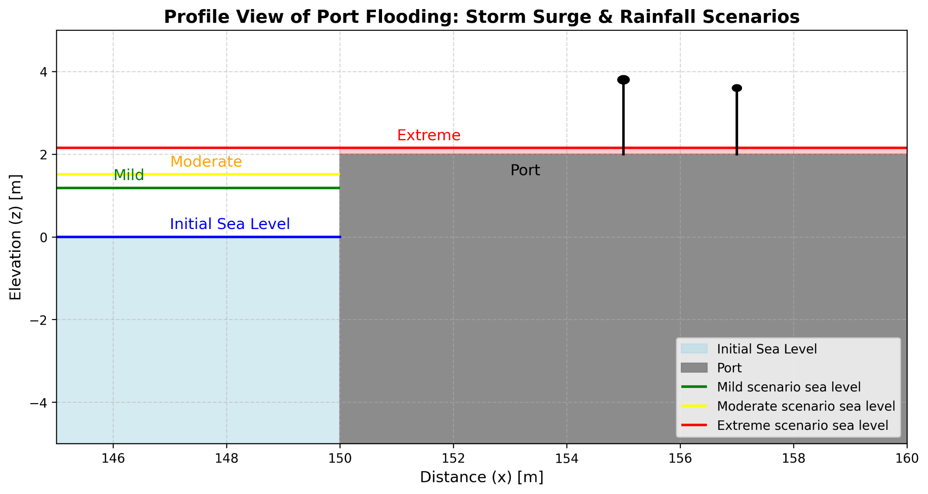
Simple Storm Surge port flooding example
Parameter | Symbol | Values | Units | Notes | Scenario
Astronomical Tide | n_tide | 0.4 | m | Above the z=0, initial conditions sea-level | Mild (e.g. RCP 2.6)
Storm Surge | n_surge | 0.7 | m
Rainfall | P | 80 | mm | At the location of the port
Rainfall conversion factor | b | 0.001 | m/mm | Typical value for small, poorly drained basins (port)
Rainfall contribution | b*P | 0.08 | m
Effective water level |  | 1.18 | m
Flooding | dport(x=150,y) | 1.18 | m | No flooding (water depth d < z port, 2m). Difference: | -0.82

Parameter | Symbol | Values | Units | Notes | Moderate (e.g. RCP 4.5 - 6.0)
Astronomical Tide | n_tide | 0.4 | m | Above the z=0, initial conditions sea-level
Storm Surge | n_surge | 1 | m
Rainfall | P | 110 | mm | At the location of the port
Rainfall conversion factor | b | 0.001 | m/mm | Typical value for small, poorly drained basins (port)
Rainfall contribution | b*P | 0.11 | m
Effective water level |  | 1.51 | m
Flooding | dport(x=150,y) | 1.51 | m | No flooding (water depth d < z port, 2m). Difference: | -0.49

Parameter | Symbol | Values | Units | Notes | Extreme (e.g. RCP 8.5)
Astronomical Tide | n_tide | 0.4 | m | Above the z=0, initial conditions sea-level
Storm Surge | n_surge | 1.6 | m
Rainfall | P | 150 | mm | At the location of the port
Rainfall conversion factor | b | 0.001 | m/mm | Typical value for small, poorly drained basins (port)
Rainfall contribution | b*P | 0.15 | m
Effective water level |  | 2.15 | m
Flooding | dport(x=150,y) | 2.15 | m | Yes, flooding (water depth d > z port, 2m). Difference: | 0.15

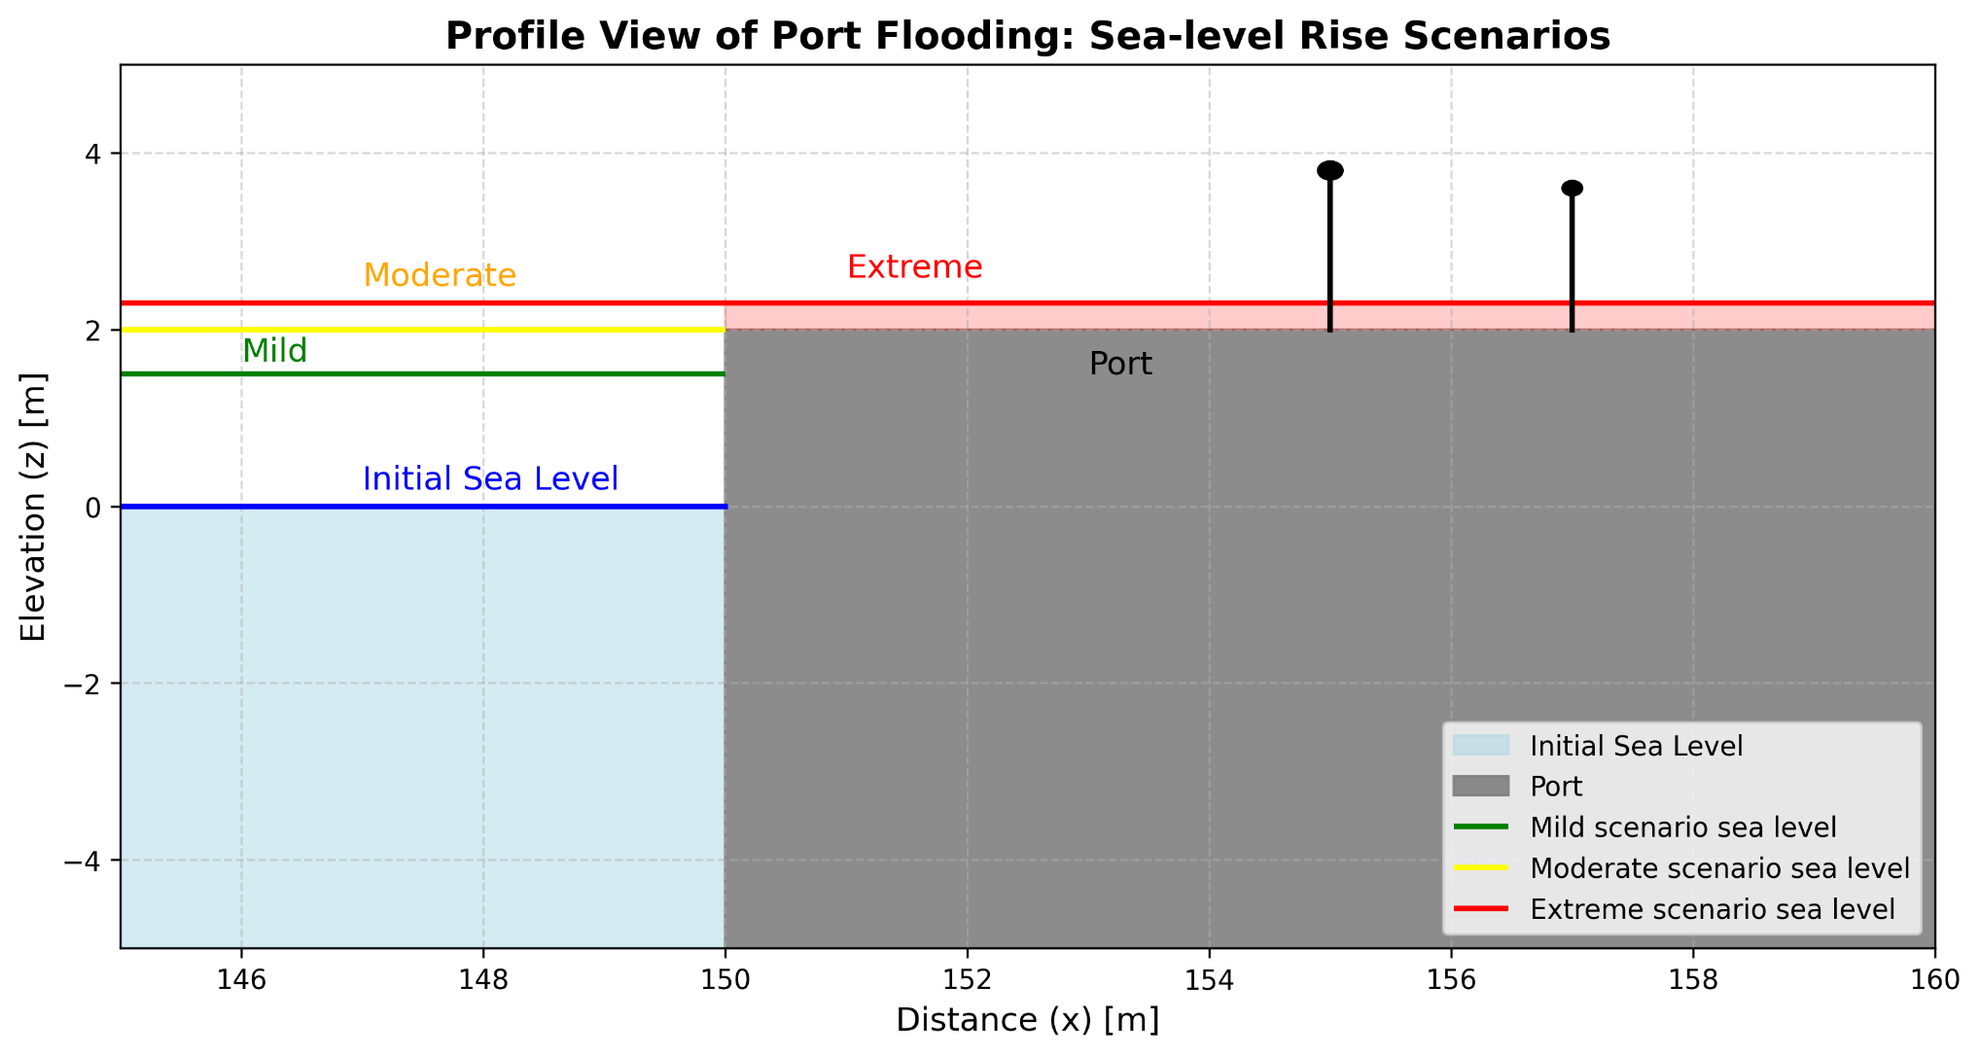
Simple Sea-level rise port flooding example
Parameter | Symbol | Values | Units | Notes | Scenario
Astronomical Tide | n_tide | 0.5 | m | Above the z=0, initial conditions sea-level | Mild (e.g. RCP 2.6)
Sea-Level annual rate | c | 0.01 | m | Typical value of 1 cm per year
Time Elapsed | t | 100 | years | Baseline t=0
Sea-level rise in t=100 | Δn_slr | 1 | m
Effective water level | n(t=100) | 1.5 | m | At the port location
Flooding, t=100 | dport(x=150,y) | 1.5 | m | No flooding (water depth d < z port, 2m). Difference: | -0.5

Parameter | Symbol | Values | Units | Notes | Moderate (e.g. RCP 4.5 - 6.0)
Astronomical Tide | n_tide | 0.5 | m | Above the z=0, initial conditions sea-level
Sea-Level annual rate | c | 0.015 | m | Typical value of 1.5 cm per year
Time Elapsed | t | 100 | years | Baseline t=0
Sea-level rise in t=100 | Δn_slr | 1.5 | m
Effective water level | n(t=100) | 2 | m | At the port location
Flooding | dport(x=150,y) | 2 | m | Marginal flooding (d = z port, 2m). Difference: | 0

Parameter | Symbol | Values | Units | Notes | Extreme (e.g. RCP 8.5)
Astronomical Tide | n_tide | 0.5 | m | Above the z=0, initial conditions sea-level
Sea-Level annual rate | c | 0.018 | m | Typical value of 1.8 cm per year
Time Elapsed | t | 100 | years | Baseline t=0
Sea-level rise in t=100 | Δn_slr | 1.8 | m
Effective water level | n(t=100) | 2.3 | m | At the port location
Flooding | dport(x=150,y) | 2.3 | m | Yes, flooding (water depth d > z port, 2m). Difference: | 0.3

Simple Storm Surge & Sea-level rise combination, port flooding example
Parameter | Symbol | Values | Units | Notes | Scenario
Astronomical Tide | n_tide | 0.5 | m | Above the z=0, initial conditions sea-level | Mild (e.g. RCP 2.6)
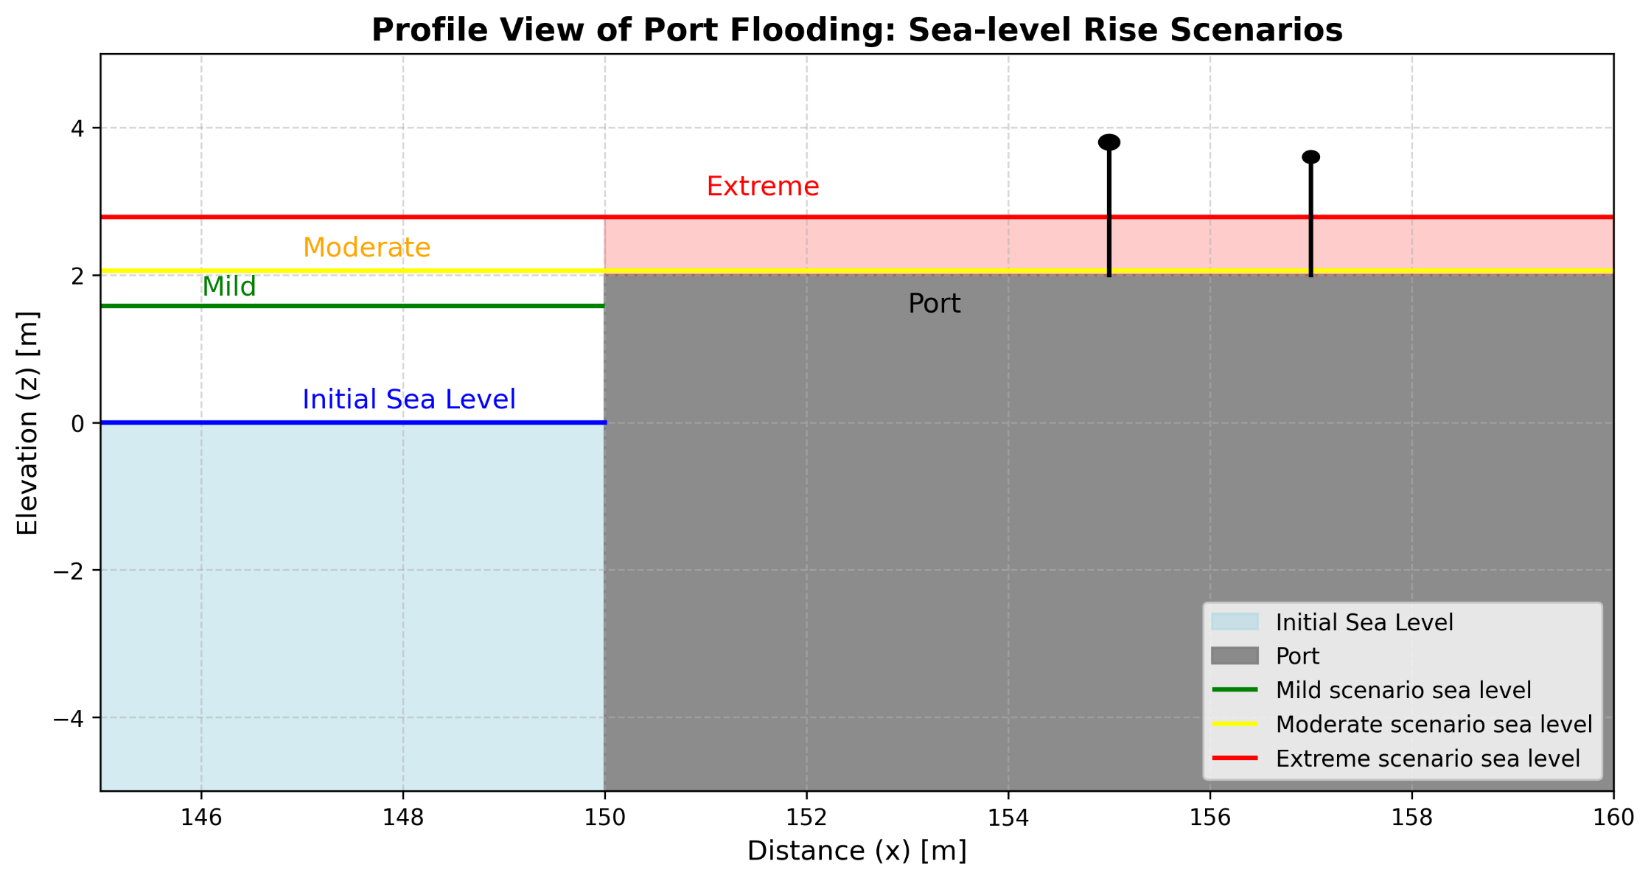
Storm Surge | n_surge | 0.7 | m | Assuming this storm at the t=30
Rainfall | P | 80 | mm | At the location of the port
Rainfall conversion factor | b | 0.001 | m/mm | Typical value for small, poorly drained basins (port)
Rainfall contribution | b*P | 0.08 | m
Sea-Level annual rate | c | 0.01 | m | Typical value of 1 cm per year
Time Elapsed | t | 30 | years | Baseline t=0
Sea-level rise in t=100 | Δn_slr | 0.3 | m
Effective water level | n(t=30) | 1.58 | m | Tide + Storm surge + Rainfall contr. + Sea-level rise
Flooding | dport(x=150,y) | 1.58 | m | No flooding (water depth d < z port, 2m). Difference: | -0.42

Parameter | Symbol | Values | Units | Notes | Scenario
Astronomical Tide | n_tide | 0.5 | m | Above the z=0, initial conditions sea-level | Moderate (e.g. RCP 4.5 - 6.0)
Storm Surge | n_surge | 1 | m | Assuming this storm at the t=30
Rainfall | P | 110 | mm | At the location of the port
Rainfall conversion factor | b | 0.001 | m/mm | Typical value for small, poorly drained basins (port)
Rainfall contribution | b*P | 0.11 | m
Sea-Level annual rate | c | 0.015 | m | Typical value of 1.5cm per year
Time Elapsed | t | 30 | years | Baseline t=0
Sea-level rise in t=100 | Δn_slr | 0.45 | m
Effective water level | n(t=30) | 2.06 | m | Tide + Storm surge + Rainfall contr. + Sea-level rise
Flooding | dport(x=150,y) | 2.06 | m | Yes, flooding (water depth d > z port, 2m). Difference: | 0.06

Parameter | Symbol | Values | Units | Notes | Scenario
Astronomical Tide | n_tide | 0.5 | m | Above the z=0, initial conditions sea-level | Extreme (e.g. RCP 8.5)
Storm Surge | n_surge | 1.6 | m | Assuming this storm at the t=30
Rainfall | P | 150 | mm | At the location of the port
Rainfall conversion factor | b | 0.001 | m/mm | Typical value for small, poorly drained basins (port)
Rainfall contribution | b*P | 0.15 | m
Sea-Level annual rate | c | 0.018 | m | Typical value of 1.8cm per year
Time Elapsed | t | 30 | years | Baseline t=0
Sea-level rise in t=100 | Δn_slr | 0.54 | m
Effective water level | n(t=30) | 2.79 | m | Tide + Storm surge + Rainfall contr. + Sea-level rise
Flooding | dport(x=150,y) | 2.79 | m | Yes, flooding (water depth d > z port, 2m). Difference: | 0.79

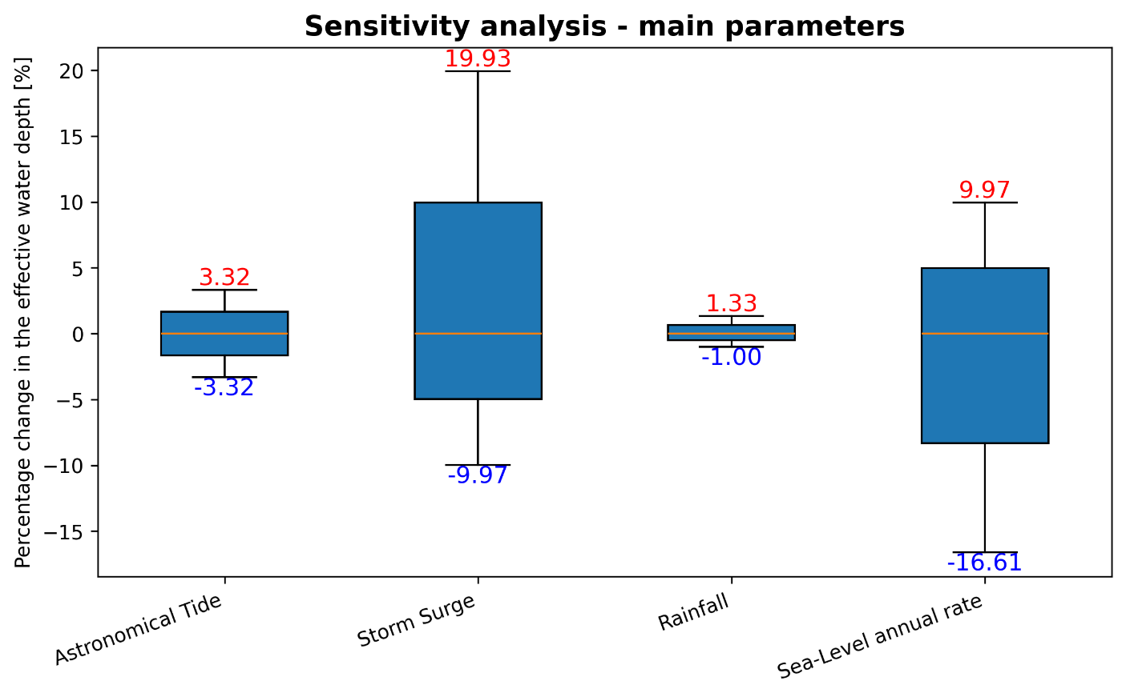
 | low value | mid value | high value
Astronomical Tide | 0.3 | 0.4 | 0.5
Storm Surge | 0.7 | 1 | 1.6
Rainfall | 80 | 110 | 150
Sea-Level annual rate | 0.01 | 0.015 | 0.018
Effective water level - sensitivity
 | result -low | result -mid | result -high
Astronomical Tide | 2.91 | 3.01 | 3.11
Storm Surge | 2.71 | 3.01 | 3.61
Rainfall | 2.98 | 3.01 | 3.05
Sea-Level annual rate | 2.51 | 3.01 | 3.31
Percentage [%] - sensitivity
Astronomical Tide | -3.32 | 0.00 | 3.32
Storm Surge | -9.97 | 0.00 | 19.93
Rainfall | -1.00 | 0.00 | 1.33
Sea-Level annual rate | -16.61 | 0.00 | 9.97

